US11 Sprint 4
 | Test Scenarios for SimpCity
 | Test Cases Creation |  |  | System Testing (TDA) |  |  | User Acceptance Testing |  | Team
 | User Stories: | US11 - As a user, I would like to be able to see a notification to notify me if a particular building has been used up so that I do not have exceeding numbers of building places in my city. |  | Version Control: | V1 |  | Version Control: | V1 | Scrum Master: | Megan Png
 | Created By: | Hui Ying |  | Tester: | Hui Ying |  | User: |  | Tech Lead: | Claris
 | Status: | Done |  | Status: | Done |  | Status: |  | QA: | Hui Ying
 | Dated as of: | 25-Jan-22 |  | Test Date: | 13-Feb-22 |  | UAT Date: |  | Developer: | Amanda Chan
 | Reviwed By: |  |  | Reviwed By: |  |  | Reviwed By:
 | Tech Lead | Claris |  | Scrum Master | Megan |  | Scrum Master: | <Signature>
 |  |  |  | Tech Lead | Claris |  | Tech Lead: | <Signature>
 |  |  |  |  |  |  | QA: | <Signature>
 |  |  |  |  |  |  | Developer:

S/NO | Test Scenario | Test Scenario Description | Test Values | Expected Outcome | Boundary? Equivalence? | Functional? Non-Functional? | Pass/ Fail | Actual Outcome | Test Result (Pass / Fail) | Remarks
1 | The users selects the same building to build on the grid again. | 1. The users selects the same type of building to build once again. When the message "Your Choice ?" is prompted, the users selects the same type of building to build. 1. Build a BCH 2. Build a HWY 3. See remaining buildings 4. See current score 5. Save game 0. Exit to main menu Your choice? 1 --> Your Choice ? 1 Confirm using BCH? [Y/N]: y Building confirmed 2. An error message "The building selected has been used up, please select another building!" will be displayed to notify the users that the building has been used up. 3. The whole grid will be printed again along with the configuration menu | Before: The user is in a game and have build the same type of building 8 times on the grid. The number of building is set to 0 to test if the notification will appear on the system level of all buildings are used up, E.g BCH
 |  |  | 1. When the message "Your Choice?" is prompted, the users selects the same type of buildings to build on the grid after building it 8 times --> Your Choice? 1 Confirm using BCH? [Y/N]: y Building confirmed 2. An error message "The building selected has been used up, please select another building!" will be displayed to notify the users that the building has been used up. 3. The whole grid will be printed again along with the configuration menu | An error message "The building selected has been used up, please select another building!" will be displayed to notify the users that the building has been used up. The whole grid will be printed again along with the configuration menu | Boundary | Functional | Fail | 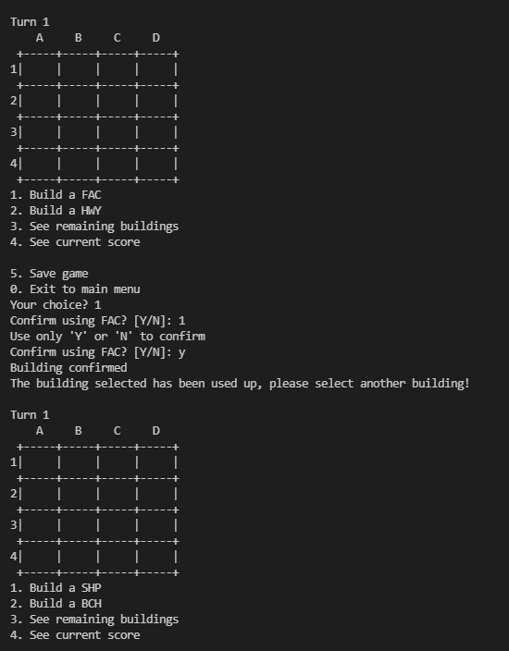 | Pass
2 | The users selects a building that has not been used up | The users checke the remaining build avaiable to be used for building, The users choose a building to build that has not been used up when the message "Your Choice ?" is promtped and confirms the building. The users enters their desired location that is orthogonally adjacent to the exisitng buidings and cofirms the position entered. | 4. The users selects the option "3. See remaining buildings" is selected in the configuration menu to check the buildings avaiable. 5. The remanining buildings is displayed to the users 6. The user selects a building that has not been used up when the message "Your Choice?" is prompted and the users builds a building. 7. The users confirms the building tpye. -->"Your Choice? 1 Confirm using HWY? [Y/N]: y Building confirmed 6. The message "Build where?" is prompted, the users enters the desired position 7. The user confirms using HSE on the chosen location and a confirmation message is printed. --> Confirm using HSE on location a2? [Y/N]: y Position confirmed The 4x4 game grid is printed with the chosen building type displayed in the selected grid position | A confirmation message "Position confirmed", is printed and the 4x4 game grid is printed with the chosen building type displayed in the selected grid position. Error message will not be shown |  | Functional | Pass | 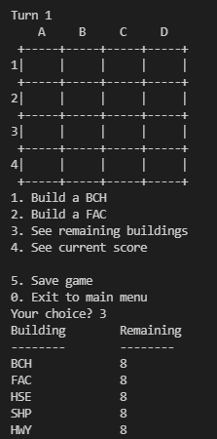 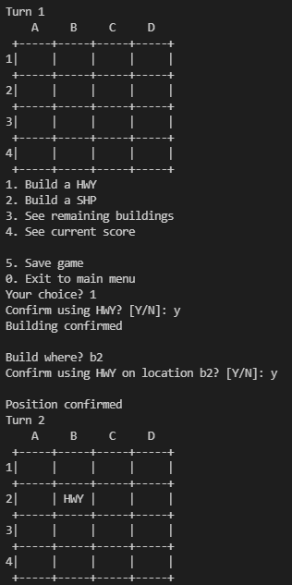 | Pass
3 | The users choose not to build a building. The users selects enters a options that is not option "1" or "2" but within the configuration menu "0" and "3" to "5". | The users did not choose to build a building, instead choose either option "0" or "3" to "5" that is within the configuration menu. | 1. When the message "Your Choice?" is prompted, The users did not choose to build a building, instead choose either option "0" or "3" to "5" that is within the configuration menu. --> Your Choice? 3 2. The program will processed the chosen option as accordance to the functionality of the chosen option. E.g Remaining building will be displayed to the users 3. The whole grid will be printed again along with the configuration menu again | The program will processed the chosen option as accordance to the functionality of the chosen option. |  | Functional | Pass | 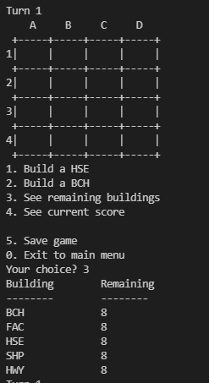 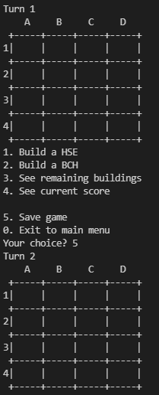 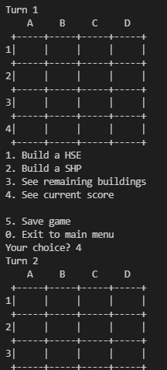 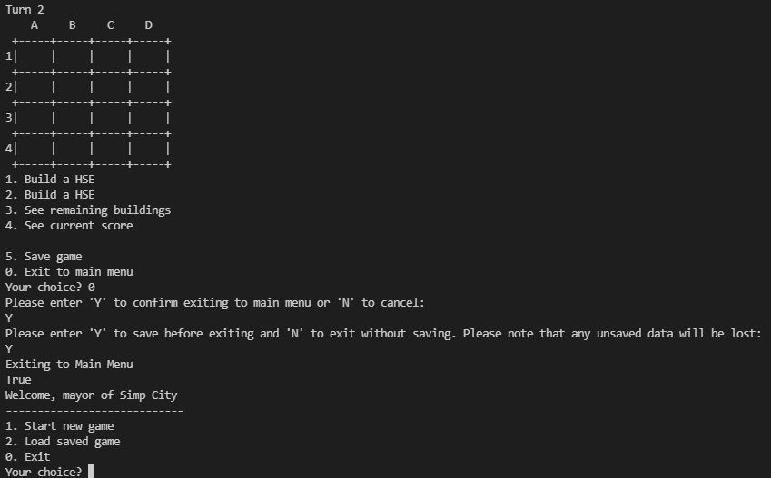 | Fail | Reason: When option "4" and "5" is entered in the configuration menu, the functions do not run Developer's response: Option "4" and "5" is not implemented in Sprint 4

 | Test Cases Creation |  |  | System Testing (TDA) |  |  | User Acceptance Testing |  | Team
 | User Stories: | US11 - As a user, I would like to be able to see a notification to notify me if a particular building has been used up so that I do not have exceeding numbers of building places in my city. |  | Version Control: | V2 |  | Version Control: | V1 | Scrum Master: | Megan Png
 | Created By: | Hui Ying |  | Tester: | Hui Ying |  | User: |  | Tech Lead: | Claris
 | Status: | Done |  | Status: | Done |  | Status: |  | QA: | Hui Ying
 | Dated as of: | 25-Jan-22 |  | Test Date: | 14-Feb-22 |  | UAT Date: |  | Developer: | Amanda Chan
 | Reviwed By: |  |  | Reviwed By: |  |  | Reviwed By:
 | Tech Lead | Claris |  | Scrum Master |  |  | Scrum Master: | <Signature>
 |  |  |  | Tech Lead |  |  | Tech Lead: | <Signature>
 |  |  |  |  |  |  | QA: | <Signature>
 |  |  |  |  |  |  | Developer:

S/NO | Test Scenario | Test Scenario Description | Test Values | Expected Outcome | Boundary? Equivalence? | Functional? Non-Functional? | Pass/ Fail | Actual Outcome | Test Result (Pass / Fail) | Remarks
1 | The users selects the same building to build on the grid again. | 1. The users selects the same type of building to build once again. When the message "Your Choice ?" is prompted, the users selects the same type of building to build. 1. Build a BCH 2. Build a HWY 3. See remaining buildings 4. See current score 5. Save game 0. Exit to main menu Your choice? 1 --> Your Choice ? 1 Confirm using BCH? [Y/N]: y Building confirmed 2. An error message "The building selected has been used up, please select another building!" will be displayed to notify the users that the building has been used up. 3. The whole grid will be printed again along with the configuration menu | Before: The user is in a game and have build the same type of building 8 times on the grid. The number of building is set to 0 to test if the notification will appear on the system level of all buildings are used up, E.g BCH
 |  |  | 1. When the message "Your Choice?" is prompted, the users selects the same type of buildings to build on the grid after building it 8 times --> Your Choice? 1 Confirm using BCH? [Y/N]: y Building confirmed 2. An error message "The building selected has been used up, please select another building!" will be displayed to notify the users that the building has been used up. 3. The whole grid will be printed again along with the configuration menu | An error message "The building selected has been used up, please select another building!" will be displayed to notify the users that the building has been used up. The whole grid will be printed again along with the configuration menu | Boundary | Functional | Fail |  | Pass
2 | The users selects a building that has not been used up | The users checke the remaining build avaiable to be used for building, The users choose a building to build that has not been used up when the message "Your Choice ?" is promtped and confirms the building. The users enters their desired location that is orthogonally adjacent to the exisitng buidings and cofirms the position entered. | 4. The users selects the option "3. See remaining buildings" is selected in the configuration menu to check the buildings avaiable. 5. The remanining buildings is displayed to the users 6. The user selects a building that has not been used up when the message "Your Choice?" is prompted and the users builds a building. 7. The users confirms the building tpye. -->"Your Choice? 1 Confirm using HWY? [Y/N]: y Building confirmed 6. The message "Build where?" is prompted, the users enters the desired position 7. The user confirms using HSE on the chosen location and a confirmation message is printed. --> Confirm using HSE on location a2? [Y/N]: y Position confirmed The 4x4 game grid is printed with the chosen building type displayed in the selected grid position | A confirmation message "Position confirmed", is printed and the 4x4 game grid is printed with the chosen building type displayed in the selected grid position. Error message will not be shown |  | Functional | Pass |  | Pass
3 | The users choose not to build a building. The users selects enters a options that is not option "1" or "2" but within the configuration menu "0" and "3" to "5". | The users did not choose to build a building, instead choose either option "0" or "3" to "5" that is within the configuration menu. | 1. When the message "Your Choice?" is prompted, The users did not choose to build a building, instead choose either option "0" or "3" to "5" that is within the configuration menu. --> Your Choice? 3 2. The program will processed the chosen option as accordance to the functionality of the chosen option. E.g Remaining building will be displayed to the users 3. The whole grid will be printed again along with the configuration menu again | The program will processed the chosen option as accordance to the functionality of the chosen option. |  | Functional | Pass | 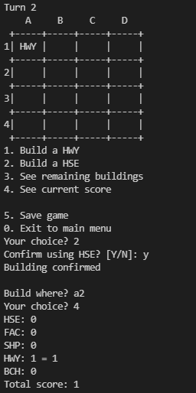 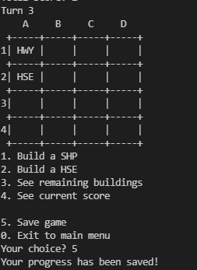 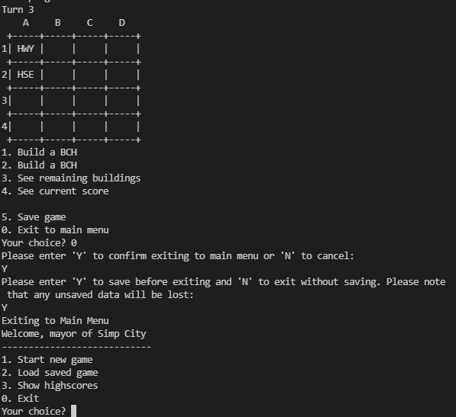 | Pass

